ReadME
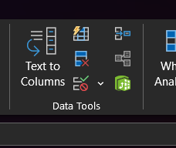
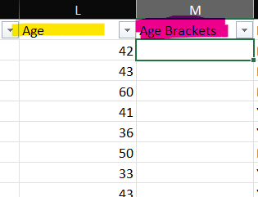
Ctrl + H | Find and replace
Remove Duplicates | > Data | To reduce decimal point |  |  | Age should be categorize per range
 |  | from 10,000.00 to 10,000
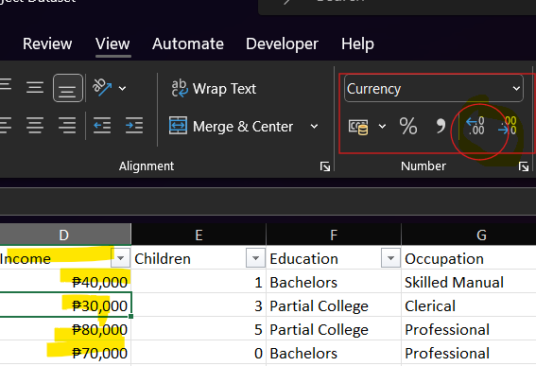

 |  |  |  | For you to connect all the chart once you click the category
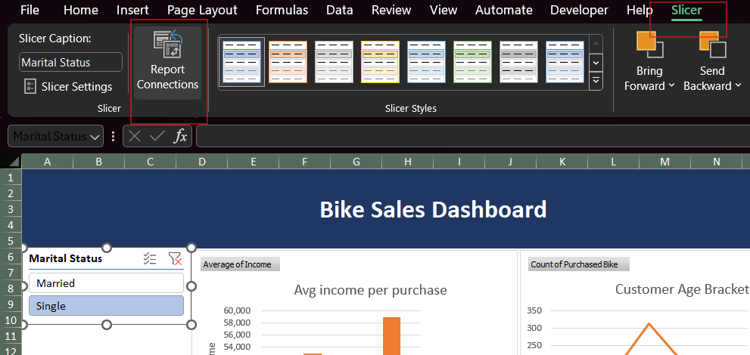
 |  |  | Middle Age

 |  |  | 31

Pivot
Avg income per purchase
Average of Income | Column Labels
Row Labels | No | Yes | Grand Total | Chart 1 | Avg income per purchase | Gender X Income X Purchased Bike
Female | 53,440 | 55,774 | 54,581 | Chart 2 | Customer Commute
Male | 56,208 | 60,124 | 58,063 | Chart 3 | Customer Age Bracket
Grand Total | 54,875 | 57,963 | 56,360

Customer Commute

Count of Purchased Bike | Column Labels
Row Labels | No | Yes | Grand Total
0-1 Miles | 166 | 200 | 366
1-2 Miles | 92 | 77 | 169
2-5 Miles | 67 | 95 | 162
5-10 Miles | 116 | 76 | 192
More than 10 miles | 78 | 33 | 111
Grand Total | 519 | 481 | 1000

Customer Age Bracket

Count of Purchased Bike | Column Labels
Row Labels | No | Yes | Grand Total
Adolescent | 48 | 35 | 83
Middle Age | 305 | 336 | 641
Old | 166 | 110 | 276
Grand Total | 519 | 481 | 1000

Dashboard
Bike Sales Dashboard

Avg income per purchase
 | No | Yes
Female | 53,440 | 55,774
Male | 56,208 | 60,124
Customer Age Bracket
 | No | Yes
Adolescent | 48 | 35
Middle Age | 305 | 336
Old | 166 | 110

Customer Commute
 | No | Yes
0-1 Miles | 166 | 200
1-2 Miles | 92 | 77
2-5 Miles | 67 | 95
5-10 Miles | 116 | 76
More than 10 miles | 78 | 33

